Introduction
1 | INTRODUCTION
 | 1.1 | Purpose

Code Quality Management Overview
 | This is only a sub document of Code Quality Management (CQM) document.
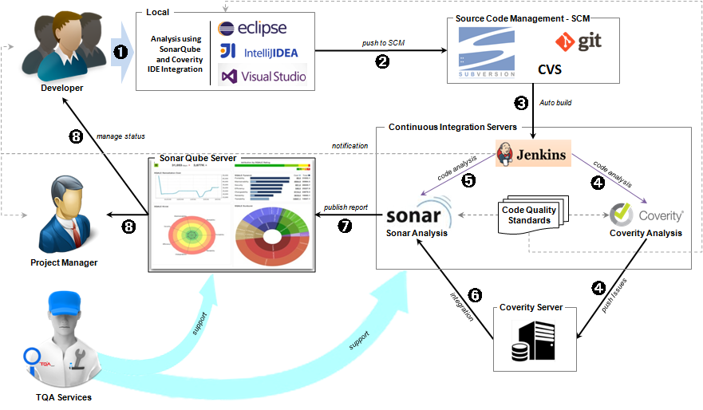 | This document guides how to deploy a code quality management system.
 | 1.2 | Application Scope

 | All project apply CQM solution

 | 1.3 | The deploment workflow

Config
Auto build
Setup
Register
Setup Sonar
Connect
Setup Coverity
Connect
Setup
Setup
Setup Coverity
Plugin
Setup Sonar
Scanner
Config Coverity
Analysis & Push
Config Sonar
Job Analysis
Integrate
Sonar
Create Repository
Setup IDE
Config Rules
Config
Commit Code
Config Job
Analysis&Push
Design report
Jenkins Server
Coverity Server
Local Analysis
SCM
Build
success
Run success
Run success
Run success
Y
N
N
N
Y
Y
N
Run success
N
Y
Coverity Client
Use Coverity
Sonar Server
N
Y
Y
THE DEPLOYMENT WORKFLOW

 | 1.3 | Definition

 |  | No | Abbreviation/ Terminology | Explanation
 |  | 1 | CQM | Code Quality Management
 |  | 2 | IDE | Integreted Development Environment
 |  | 3 | SCM | Source code Management

 | 1.4 | Related Documents

 |  | No | Document Code | Document Name
 |  | 1 | SONAR_GUIDE | Setup Sonar.docx
 |  | 2 | COVERITY_GUIDE | Setup Coverity.docx
 |  | 3 | CONFIGURATION | Config Project on Jenkins - Sonar
 |  | 3 | JENKIN_GUIDE | Setup Jenkins.docx

